Layer
Layer | Stride
1 | 2 | 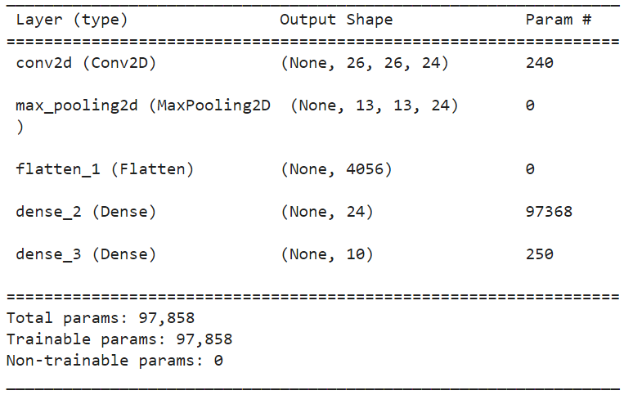 | loss: 0.1017 - accuracy: 0.9836 | 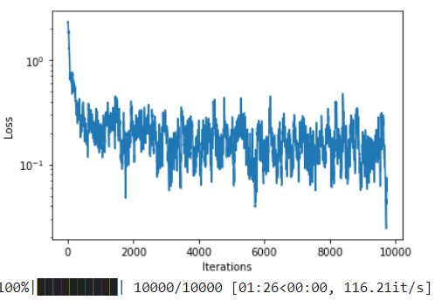 | 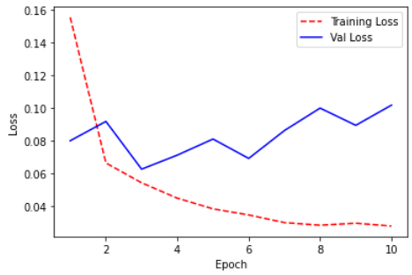
2 | 2 | 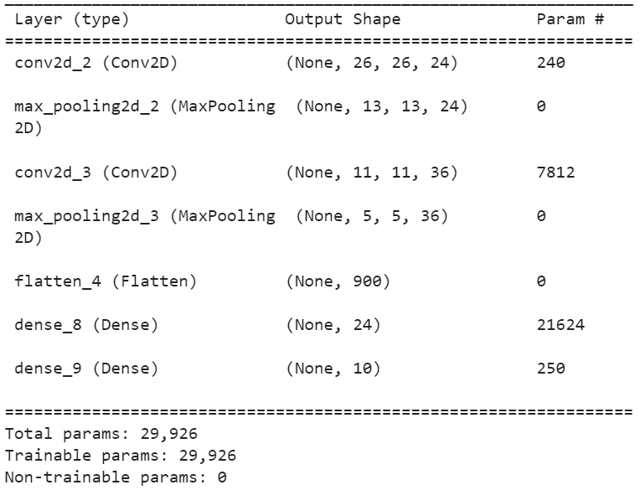 | loss: 0.0619 - accuracy: 0.9839 | 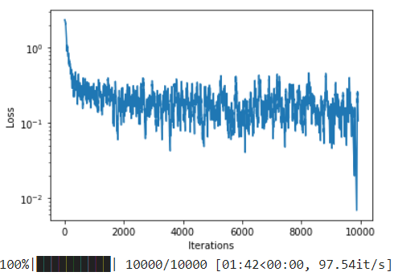 | 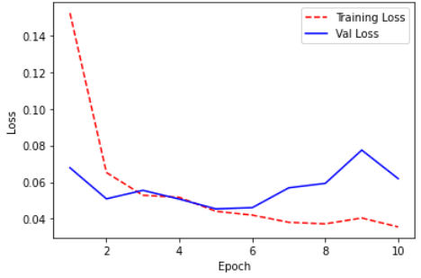
3 | 2 | 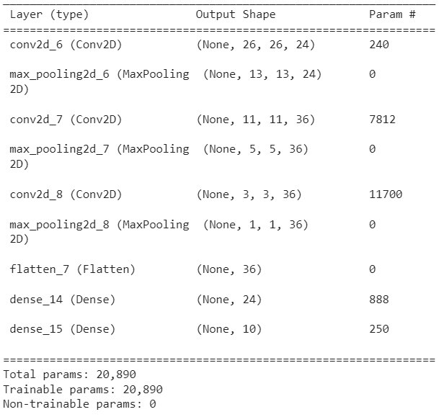 | loss: 0.0881 - accuracy: 0.9774 | 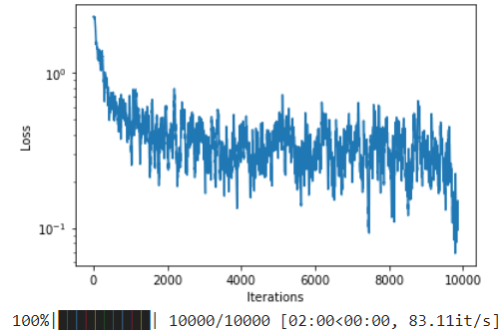 | 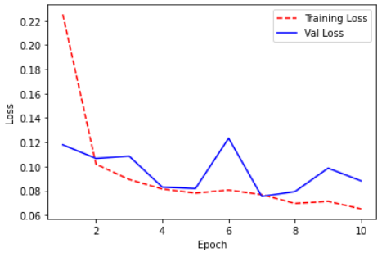
1 | 3 | 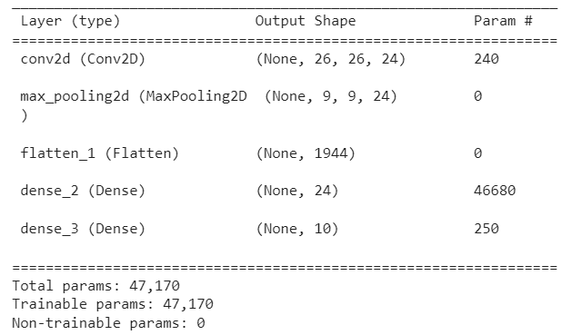 | loss: 0.1059 - accuracy: 0.9788 | 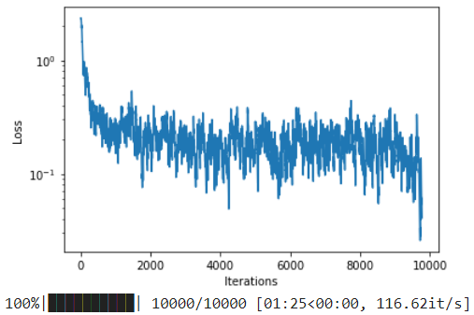 | 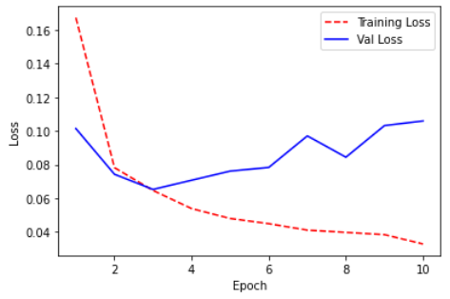
2 | 3 | 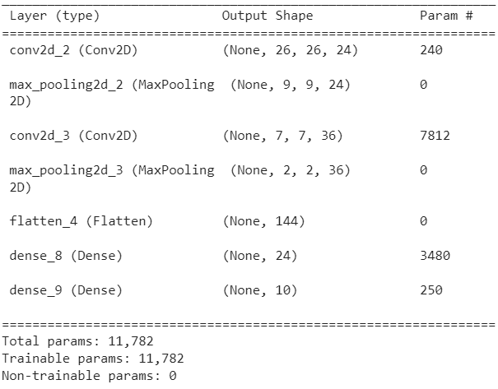 | loss: 0.0921 - accuracy: 0.9787 | 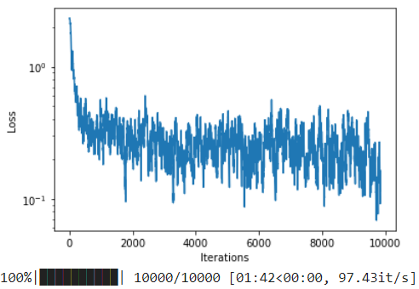 | 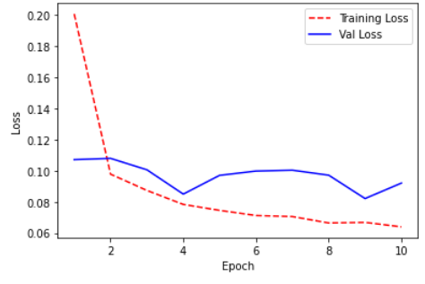
1 | 1 | 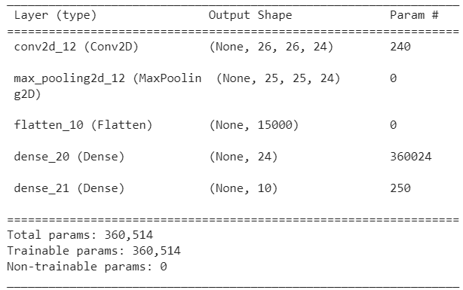 | loss: 0.1523 - accuracy: 0.9752 | 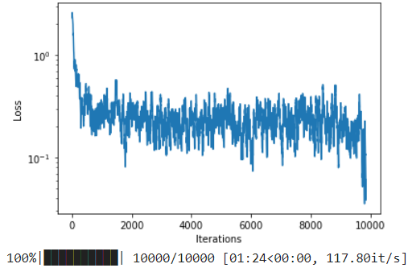 | 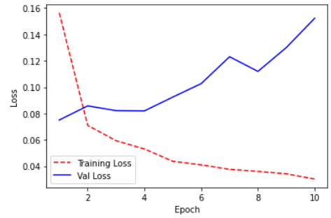
2 | 1 | 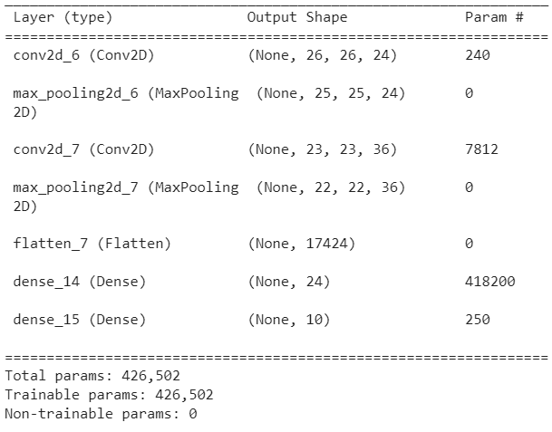 | loss: 0.0944 - accuracy: 0.9736 | 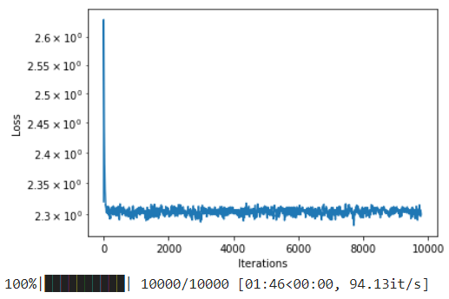 | 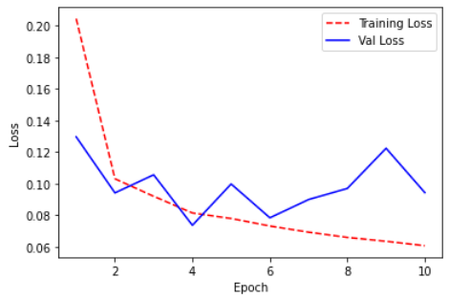
3 | 1 | 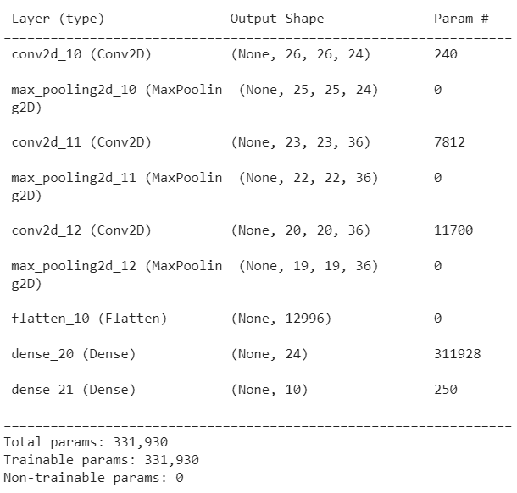 | loss: 2.3012 - accuracy: 0.1135 | 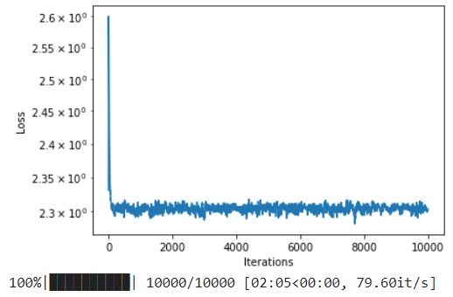 | 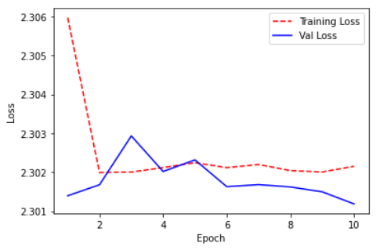

Filter
Layer | Filter Number | Filter Number
2 | 500 | 36 | 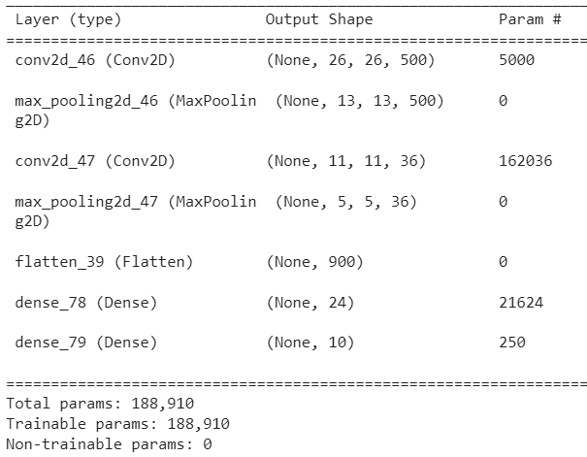 | loss: 0.0783 - accuracy: 0.9769 | 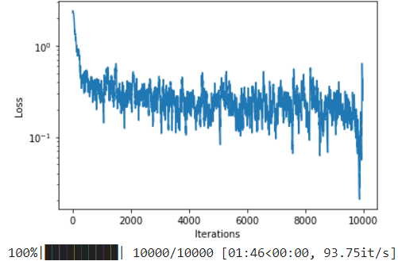 | 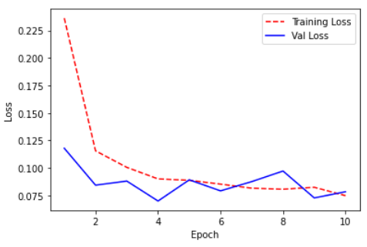
 | 300 | 36 |  | loss: 0.0759 - accuracy: 0.9795 | 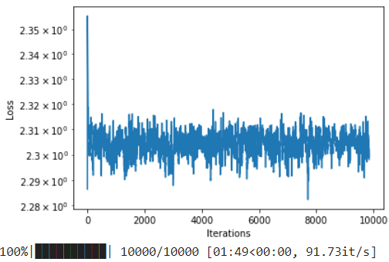 | 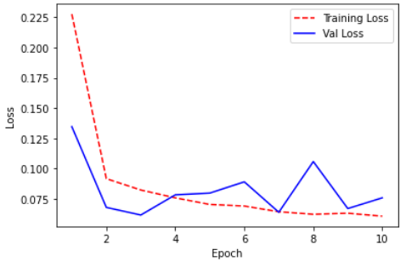
 | 100 | 36 | 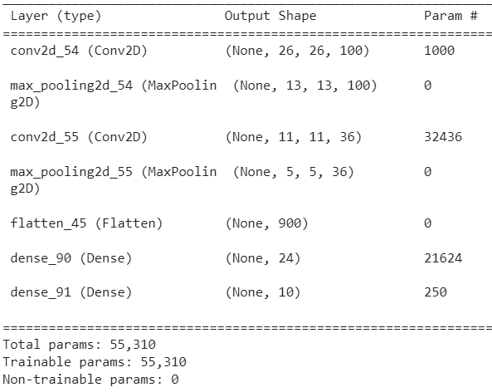 | loss: 0.0636 - accuracy: 0.9851 | 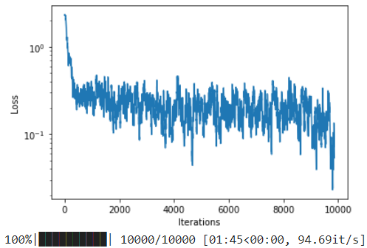 | 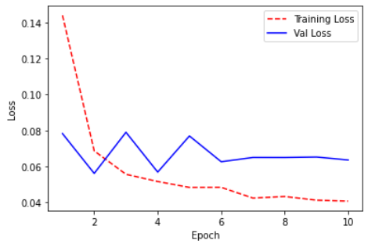
 | 36 | 36 | 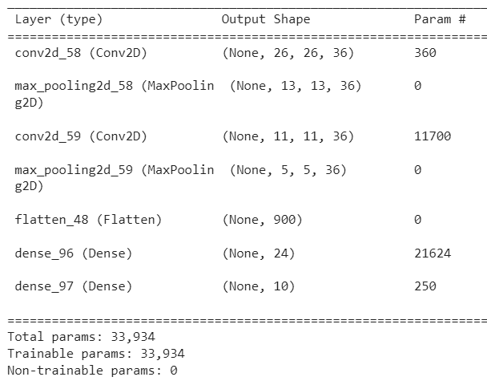 | loss: 0.0673 - accuracy: 0.9863 | 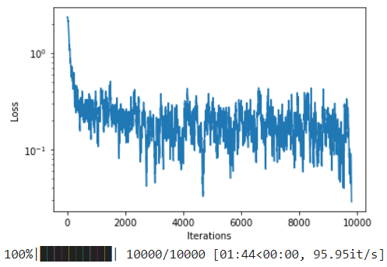 | 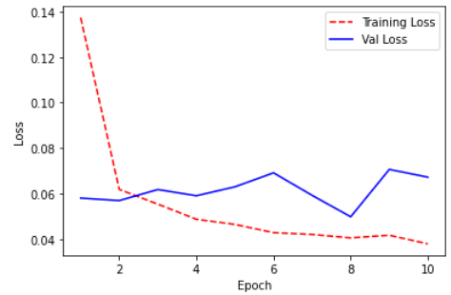
 | 24 | 36 |  | loss: 0.0619 - accuracy: 0.9839
 |  | 24 | 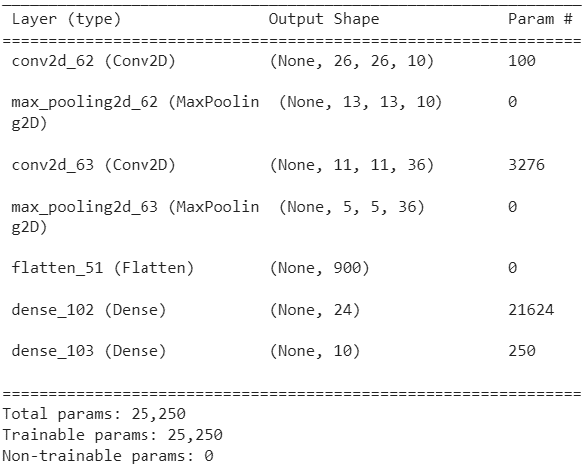  | loss: 0.0719 - accuracy: 0.9821 | 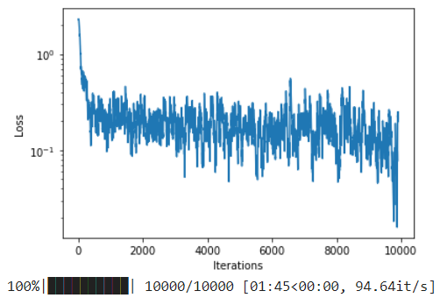 | 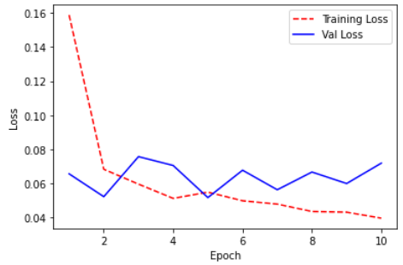
 | 12 | 12 | 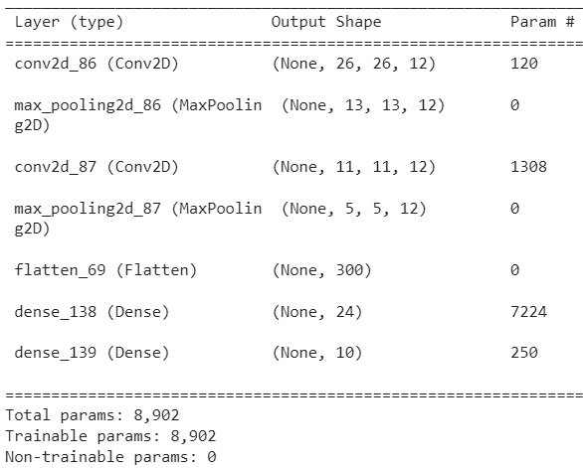 | loss: 0.0482 - accuracy: 0.9859 | 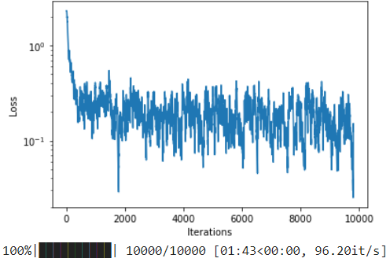 | 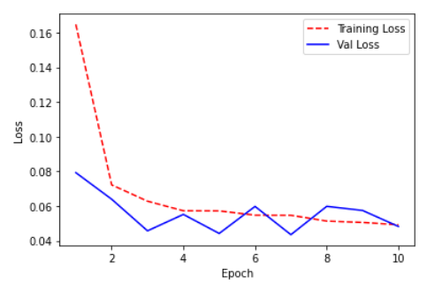
 | 36 | 48
 | 5 | 5 | 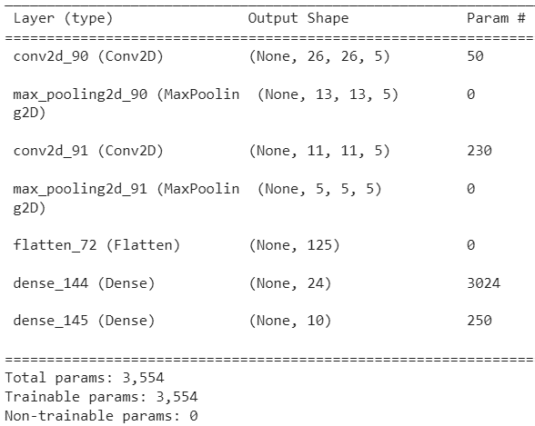 | 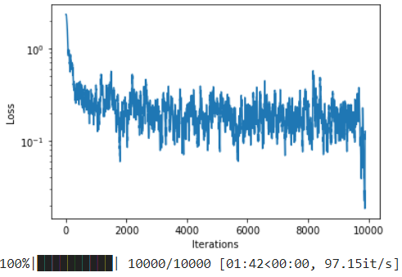 loss: 0.0820 - accuracy: 0.9788 |  | 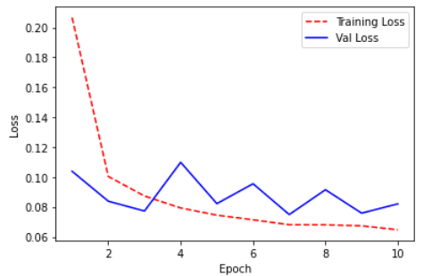

Filter Size
Layer | Filter Number | Filter Number | Filter Size | Filter Size
2 | 24 | 36 | 21 | 3
 |  |  | 15 | 3
 |  |  | 10 | 3 | 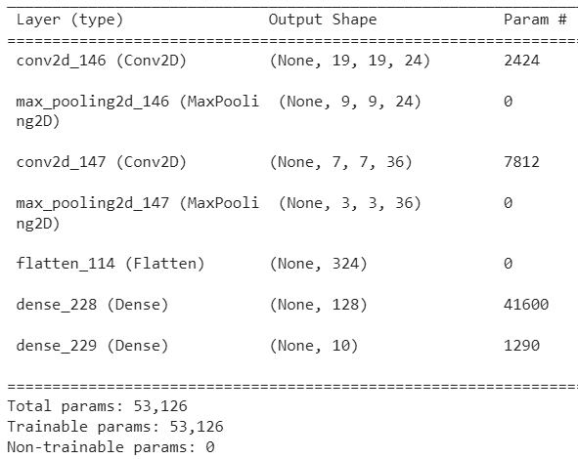 | loss: 0.0369 - accuracy: 0.9897 | 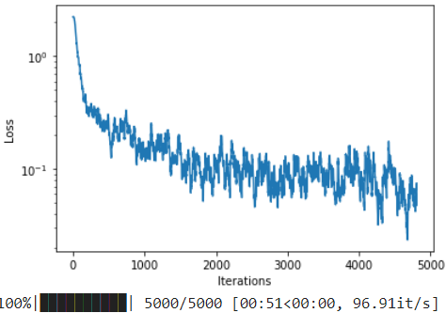 | 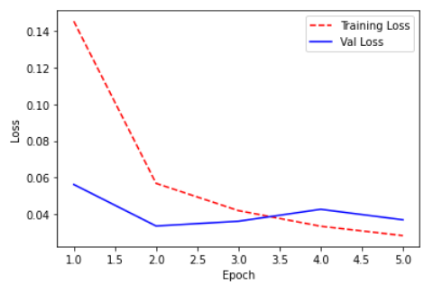
 |  |  | 5 | 3 | 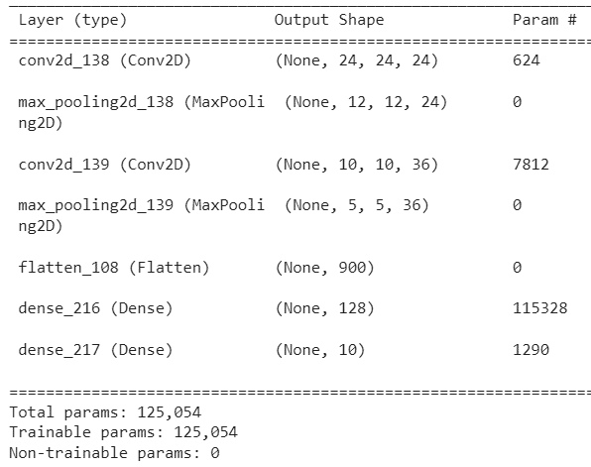 | loss: 0.0353 - accuracy: 0.9887 | 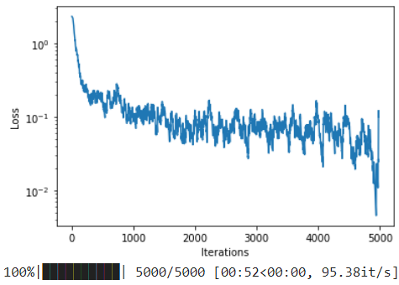 | 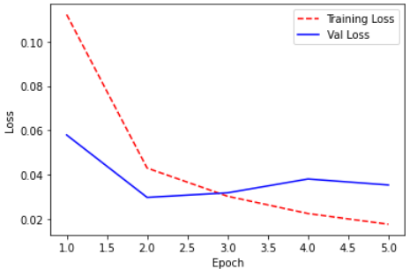
 |  |  | 3 | 3 |  | loss: 0.0317 - accuracy: 0.9903 |  | 
 |  |  | 1 | 3 |  | loss: 0.0618 - accuracy: 0.9828 |  | 
 |  |  | 2 | 2 |  |  |  | 
 |  |  | 1 | 1 |  | loss: 0.2056 - accuracy: 0.9336 |  | 
 |  |  | 15 | 1
 |  |  | 10 | 1
 |  |  | 5 | 1
 |  |  | 3 | 1
 |  |  | 1 | 1
 |  |  | 5 | 10
 |  |  | 5 | 5
 |  |  | 5 | 3 |  |  |  |  | -
 |  |  | 5 | 1

FC Unit
Layer | Filter Number | Filter Number | Filter Size | Filter Size | FC Unit
 |  |  |  |  | 700 |  | loss: 0.0284 - accuracy: 0.9921 |  | 
2 | 24 | 36 | 3 | 3 | 500 |  | loss: 0.0506 - accuracy: 0.9864 |  | 
 |  |  |  |  | 300 |  | loss: 0.0311 - accuracy: 0.9917 |  | 
 |  |  |  |  | 128
 |  |  |  |  | 48 |  | loss: 0.0456 - accuracy: 0.9869 |  | 
 |  |  |  |  | 24 |  | loss: 0.0443 - accuracy: 0.9866 |  | 

Optimizer
SGD | loss: 0.1158 - accuracy: 0.9669 |  | 
RMSProp | loss: 0.0741 - accuracy: 0.9853 |  | 
Adam | loss: 0.0467 - accuracy: 0.9882 |  | 
Adadelta | loss: 0.5837 - accuracy: 0.8568 |  | 
Adagrad | loss: 0.1133 - accuracy: 0.9666 |  | 
Adamax | loss: 0.0256 - accuracy: 0.9911 |  | 
Nadam | loss: 0.0397 - accuracy: 0.9900 |  | 
Ftrl

Learning Rate
1.00E-09 | loss: 2.2953 - accuracy: 0.1118 |  | 
1.00E-08 | loss: 2.2917 - accuracy: 0.1282 |  | 
1.00E-07 | loss: 2.1874 - accuracy: 0.5721 |  | 
1.00E-06 | loss: 0.5306 - accuracy: 0.8696 |  | 
1.00E-05 | loss: 0.1003 - accuracy: 0.9695 |  | 
1.00E-04 | loss: 0.0399 - accuracy: 0.9875 |  | 
1.00E-03 | loss: 0.0326 - accuracy: 0.9901 |  | 
1.00E-02 | loss: 0.1628 - accuracy: 0.9585 |  | 
1.00E-01 | loss: 2.3223 - accuracy: 0.1009 |  | 

Loss
BinaryCrossentropy class | loss: 9.8685 - accuracy: 0.0892 |  | 
SparseCategoricalCrossentropy class | loss: 0.0333 - accuracy: 0.9911 |  | 
Poisson class |  |  | 
KLDivergence class |  |  | 
hinge |  |  | 
squared_hinge
categorical_hinge

Regresi
Layer | Hidden Layer | activation function | optimizer | Loss | RSME val - test
2 | 20-1 | relu | Adam | MSE | 2.319 4.424 | loss: 14.3211 - mae: 2.6318 - mse: 14.3211 | 
2 | 100-1 | relu | Adam | MSE | 2.324 3.81 | loss: 15.5733 - mae: 2.6040 - mse: 15.5733 | 
3 | 100-100-1 | relu-relu | RMSProp | MSE | 2.568 3.795 | loss: 14.4050 - mae: 2.6097 - mse: 14.4050 | 
3 | 100-100-1 | relu-relu | Adam | MSE | 2.179 3.232 | loss: 15.3914 - mae: 2.5820 - mse: 15.3914 | 
7 | 200-200-200-200-50-20-1 | relu-relu | Adam | MSE | 2.188 3.485 | loss: 12.1444 - mae: 2.2723 - mse: 12.1444 | 
7 | 100-100-100-100-20-10-1 | relu-relu | Adam | MSE | 2.009 3.431 | loss: 11.7748 - mae: 2.4509 - mse: 11.7748 | 
6 | 100-100-100-20-10-1 | relu-relu | Adam | MSE | 2.257 3.369 | loss: 11.3533 - mae: 2.3521 - mse: 11.3533 | 
5 | 200-200-200-20-1 | relu-relu | Adam | MSE | 2.033 3.511 | loss: 12.3278 - mae: 2.3755 - mse: 12.3278 | 
5 | 100-100-100-10-1 | relu-relu | Adam | MSE | 2.46 3.167 | loss: 10.0318 - mae: 2.2428 - mse: 10.0318 | 
5 | 100-100-100-20-1 | relu-relu | Adam | MSE | 2.128 3.14 | loss: 9.8566 - mae: 2.1311 - mse: 9.8566 | 
5 | 100-100-100-20-1 | relu-relu | RMSProp | MSE | 2.404 3.461 | loss: 11.9755 - mae: 2.5008 - mse: 11.9755 | 
5 | 100-100-100-20-1 | relu-relu | SGD | MSE | nan | nan | 
5 | 100-100-100-20-1 | relu-relu | Adadelta | MSE | 6.698 8.445 | loss: 71.3134 - mae: 6.6873 - mse: 71.3134 | 
5 | 100-100-100-20-1 | relu-relu | Adagrad | MSE | 2.622 4.911 | loss: 24.1199 - mae: 2.9274 - mse: 24.1199 | 
5 | 100-100-100-20-1 | relu-relu | Adamax | MSE | 2.134 3.784 | loss: 14.3193 - mae: 2.5605 - mse: 14.3193 | 
5 | 100-100-100-20-1 | relu-relu | Nadam | MSE | 2.301 3.645 | loss: 13.2855 - mae: 2.5859 - mse: 13.2855 | 
5 | 100-100-100-20-1 | relu-relu | Ftrl | MSE | 3.008 4.821 | loss: 23.2424 - mae: 3.1914 - mse: 23.2424 | 
5 | 100-100-100-50-1 | relu-relu | Adam | MSE | 2.414 3.633 | loss: 13.2013 - mae: 2.5807 - mse: 13.2013 | 
5 | 100-100-20-10-1 | relu-relu | Adam | MSE | 2.206 4.152 | loss: 17.2375 - mae: 2.6864 - mse: 17.2375 | 
4 | 100-100-20-1 | relu-relu-relu | RMSProp | MSE | 3.111 4.394 | loss: 19.3091 - mae: 2.9002 - mse: 19.3091 | 
5 | 100-100-20-1 | relu-relu-relu | Adam | MSE | 2.629 3.683 | loss: 13.5631 - mae: 2.5477 - mse: 13.5631 | 

